Instructions
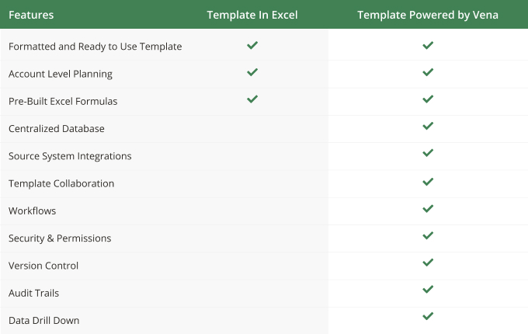
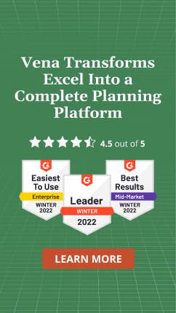
Instructions
Using Vena Excel Templates in 'Basic' Excel
What-If Modeling

Apply your own colors & branding
Go to 'Page Layout', then 'Themes' to select from other color formats and fonts.
Go to 'Home', then 'Cell styles' to reformat the appearance and colors of different included cell types.

Define Forecasting Data
Import the list all Entity, Departments and Accounts
For each Entity, Department and Account line items, copy and past the monthly forecasted values under the appropriate heading
Adjust the "In Use" parameter to exclude/include line items in the scenario model

Scenario Modeling
Set your desired target value for the scenario
Adjust the monthly What-if parameters to include/exclude specific months from the scenario analysis
Select a driver and parameters to model different monthly forecasting scenarios

Scenario Analysis
Review variance metrics to evaluate and compare forecast inputs with scenario model
Expand and collapse various section to review by monthly

Field Legend

Input Cell | Modifiable Input

Drop Down | Menu Selection

Output | Fixed Output

Calculation | Fixed Calcualtion

